Geox 1816 pc
 |  |  |  |  |  |  |  |  | 1816
SEASON | ARTICLE | PHOTO | COLOR | MATERIAL | DESCRIPTION | GENDER | WHS | RRP | QTY | 4 Y | 6 Y | 8 Y | 10Y | 12Y | 14Y
FW | K6420PTC082F2010 | 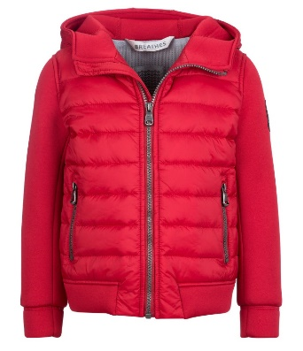 | Цвет! LEMON | NY00CIRE'Nylon OPAQUE PA+NEOPR | JACKETS | JUNIOR BOY | €32 | €80 | 916 | 106 | 174 | 170 | 175 | 185 | 106
FW | K6420DTC083F1086 | 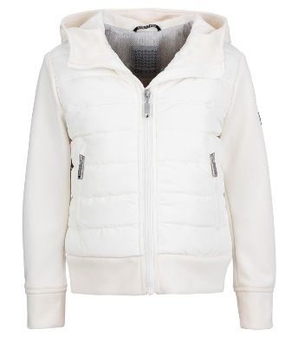 | MID WHITE | NY04_Nylon NYLON+ NEOPRENE | JACKETS | JUNIOR GIRL | €32 | €80 | 900 | 111 | 185 | 172 | 168 | 168 | 96

